stock
PHOTO |  | COLOR | OTS | MSRP | DESCRIPTION | DIMENSIONS | STRAP | DELIVERY | WHOLESALE PRICE | CASE PACK | Promo price
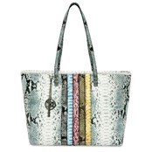 | BM-4038 | LIGHT BLUE | 817 | $129.00 | Large tote with BM logo chain and handle | 11X19X5 | 10" | IMMEDIATE | $36.00 | 6 | $27.33
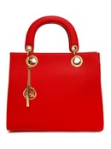 | BM-4040 | RED | 666 |  | Tote with big logo eyelet |  | 46" | IMMEDIATE | $28.00 | 10 | $27.33
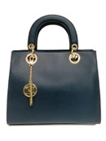 | BM-4040 | NAVY | 872 | $129.00 | Tote with big logo eyelet | 12.5"X11"X4.5" | 46" | IMMEDIATE | $28.00 | 10 | $27.33
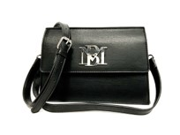 | BM-4042 | Black | 961 | $98.00 | Badgley Mischka Medium Size, Crossbody with Big BM | 7x8x3 | 24" | IMMEDIATE | $24.00 | 24 | $20.00
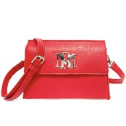 | BM-4042 | Red | 628 | $98.00 | Badgley Mischka Medium Size, Crossbody with Big BM | 7x8x3 | 24" | IMMEDIATE | $24.00 | 24 | $20.00
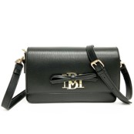 | BM-4043 | Black |  | $98.00 | Badgley Mischka Small Rectangle Bag with BM Emblem and Ribbon | 10x7x2 1/2 | 36" | IMMEDIATE | $24.00 | 20 | $20.00
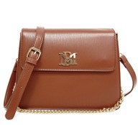 | BM-4051 | Coffee | 697 | $98.00 | Badgley Mischka Medium Size, Crossbody with Chain | 10x8x3 | 42" | IMMEDIATE | $26.00 | 15 | $24.67
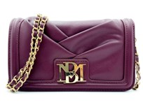 | BM-4070 | PLUM | 547 | $89.00 | Small Square bag with Folded style and big BM logo | 7 1/2x4 1/2 x2 | 42" | IMMEDIATE | $22.00 | 50 | $15.67
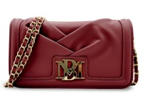 | BM-4070 | WINE | 532 | $89.00 | Small Square bag with Folded style and big BM logo | 7 1/2x4 1/2 x2 | 42" | IMMEDIATE | $22.00 | 50 | $15.67
NO PHOTO | BM-4070 | BRICK RED | 793 | $89.00 | Small Square bag with Folded style and big BM logo | 7 1/2x4 1/2 x2 | 42" | IMMEDIATE | $22.00 | 50 | $15.67
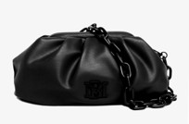 | BM-4080 | BLACK | 821 | $129.00 | WRAPPED FRAME CLUTCH | 11x8x4 | 28 | IMMEDIATE | $22.00 | 24 | $18.67
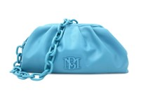 | BM-4080 | BLUE | 537 | $129.00 | WRAPPED FRAME CLUTCH | 11x8x4 | 28 | IMMEDIATE | $22.00 | 24 | $18.67
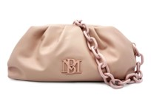 | BM-4080 | BLUSH | 418 | $129.00 | WRAPPED FRAME CLUTCH | 11x8x4 | 28 | IMMEDIATE | $22.00 | 24 | $18.67
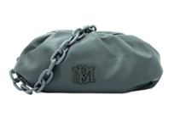 | BM-4080 | GREY | 1870 | $129.00 | WRAPPED FRAME CLUTCH | 11x8x4 | 28 | IMMEDIATE | $22.00 | 24 | $18.67
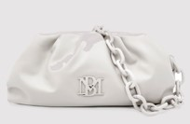 | BM-4080 | OFF WHITE | 229 | $129.00 | WRAPPED FRAME CLUTCH | 11x8x4 | 28 | IMMEDIATE | $22.00 | 24 | $18.67
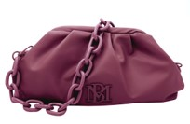 | BM-4080 | PLUM | 885 | $129.00 | WRAPPED FRAME CLUTCH | 11x8x4 | 28 | IMMEDIATE | $22.00 | 24 | $18.67
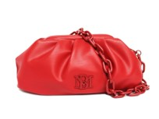 | BM-4080 | RED | 880 | $129.00 | WRAPPED FRAME CLUTCH | 11x8x4 | 28 | IMMEDIATE | $22.00 | 24 | $18.67
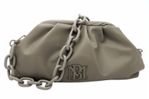 | BM-4080 | TAUPE | 964 | $129.00 | WRAPPED FRAME CLUTCH | 11x8x4 | 28 | IMMEDIATE | $22.00 | 24 | $18.67
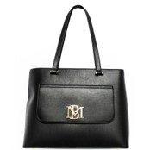 | BM-4089 | BLACK | 722 | $149.00 | Square Medium tall Croc Hand bag with BM logo | 14x10 1/2x5 | 22" | IMMEDIATE | $26.00 | 10 | $24.67
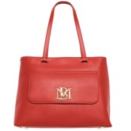 | BM-4089 | RED | 468 | $149.00 | Square Medium tall Croc Hand bag with BM logo | 14x10 1/2x5 | 22" | IMMEDIATE | $26.00 | 10 | $24.67
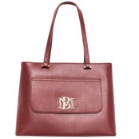 | BM-4089 | WINE | 753 | $149.00 | Square Medium tall Croc Hand bag with BM logo | 14x10 1/2x5 | 22" | IMMEDIATE | $26.00 | 10 | $24.67
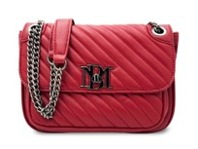 | BM-4167 | BRICK RED | 998 | $129.00 | CROSSBODY W/QUILTED FLAP | 8.5X6X3 |  | IMMEDIATE | $28.00 | 20 | $24.67
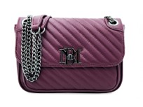 | BM-4167 | PLUM | 870 | $129.00 | CROSSBODY W/QUILTED FLAP | 8.5X6X3 |  | IMMEDIATE | $28.00 | 20 | $24.67
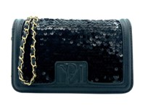 | BM-4174 | BLACK | 873 | $99.00 | CROSSBODY W/SEQUIN FLAP AND DEBOSSED LOGO | 7.5X4.5X1.5 | 46" | IMMEDIATE | $22.00 | 50 | $17.00
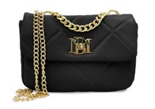 | BM-4175 | BLACK | 1420 | $149.00 | SML CHAIN CROSSBODY W/BIG DIAMOND QUILTING | 9X7X3 | 44" | IMMEDIATE | $30.00 | 20 | $25.33
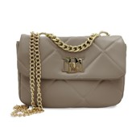 | BM-4175 | TAUPE | 1062 | $149.00 | SML CHAIN CROSSBODY W/BIG DIAMOND QUILTING | 9X7X3 | 44" | IMMEDIATE | $30.00 | 20 | $25.33
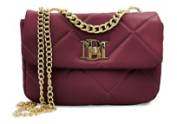 | BM-4175 | WINE | 858 | $149.00 | SML CHAIN CROSSBODY W/BIG DIAMOND QUILTING | 9X7X3 | 44" | IMMEDIATE | $30.00 | 20 | $25.33
 | BM-4176 | BLACK | 989 | $179.00 | LGE CHAIN CROSSBODY W/BIG DIAMOND QUILTING | 11X10X3.5 | 44" | IMMEDIATE | $30.00 | 15 | $25.33
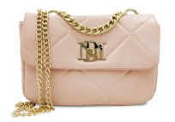 | BM-4176 | BLUSH | 904 | $179.00 | LGE CHAIN CROSSBODY W/BIG DIAMOND QUILTING | 11X10X3.5 | 44" | IMMEDIATE | $30.00 | 15 | $25.33
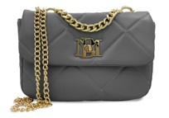 | BM-4176 | GREY | 754 | $179.00 | LGE CHAIN CROSSBODY W/BIG DIAMOND QUILTING | 11X10X3.5 | 44" | IMMEDIATE | $30.00 | 15 | $25.33
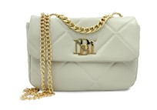 | BM-4176 | OFF WHITE | 454 | $179.00 | LGE CHAIN CROSSBODY W/BIG DIAMOND QUILTING | 11X10X3.5 | 44" | IMMEDIATE | $30.00 | 15 | $25.33
 | BM-4176 | TAUPE | 634 | $179.00 | LGE CHAIN CROSSBODY W/BIG DIAMOND QUILTING | 11X10X3.5 | 44" | IMMEDIATE | $30.00 | 15 | $25.33
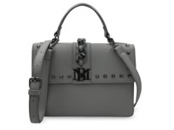 | BM-4179 | GREY | 719 | $179.00 | CROSSBODY W/CHAIN & STUDS ON FLAP | 10X7X3 | 44" | IMMEDIATE | $30.00 | 18 | $25.33
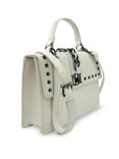 | BM-4179 | OFF WHITE | 250 | $179.00 | CROSSBODY W/CHAIN & STUDS ON FLAP | 10X7X3 | 44" | IMMEDIATE | $30.00 | 18 | $25.33
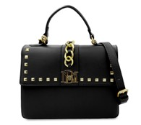 | BM-4182 | BLACK | 901 | $149.00 | SMOOTH TOP HANDLE SATCHEL W/PYRAMID STUDS AND CHAIN DETAIL | 10X7.5X3 |  | IMMEDIATE | $30.00 | 18 | $25.33
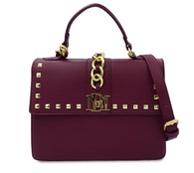 | BM-4182 | PLUM | 775 | $149.00 | SMOOTH TOP HANDLE SATCHEL W/PYRAMID STUDS AND CHAIN DETAIL | 10X7.5X3 |  | IMMEDIATE | $30.00 | 18 | $25.33
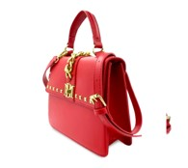 | BM-4182 | RED | 847 | $149.00 | SMOOTH TOP HANDLE SATCHEL W/PYRAMID STUDS AND CHAIN DETAIL | 10X7.5X3 |  | IMMEDIATE | $30.00 | 18 | $25.33
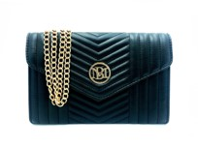 | BM-4183 | BLACK | 1897 | $99.00 | V-QUILTING CROSSBODY | 9X6X1.5 |  | IMMEDIATE | $24.00 | 40 | $18.00
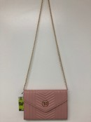 | BM-4183 | BLUSH | 463 | $99.00 | V-QUILTING CROSSBODY | 9X6X1.5 |  | IMMEDIATE | $24.00 | 40 | $18.00
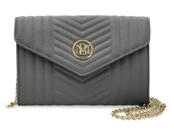 | BM-4183 | GREY | 491 | $99.00 | V-QUILTING CROSSBODY | 9X6X1.5 |  | IMMEDIATE | $24.00 | 40 | $18.00
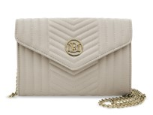 | BM-4183 | OFF WHITE | 826 | $99.00 | V-QUILTING CROSSBODY | 9X6X1.5 |  | IMMEDIATE | $24.00 | 40 | $18.00
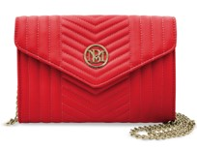 | BM-4183 | RED | 488 | $99.00 | V-QUILTING CROSSBODY | 9X6X1.5 |  | IMMEDIATE | $24.00 | 40 | $18.00
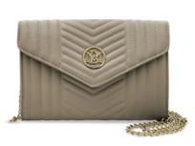 | BM-4183 | TAUPE | 683 | $99.00 | V-QUILTING CROSSBODY | 9X6X1.5 |  | IMMEDIATE | $24.00 | 40 | $18.00
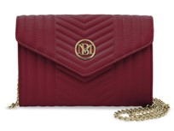 | BM-4183 | WINE | 659 | $99.00 | V-QUILTING CROSSBODY | 9X6X1.5 |  | IMMEDIATE | $24.00 | 40 | $18.00
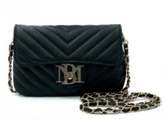 | BM-4184 | BLACK | 993 | $79.00 | PHONE CROSSBODY W/LETTER LOCK | 7.5X5X.5 | 44" | IMMEDIATE | $24.00 | 100 | $13.33
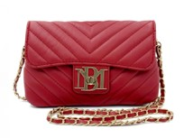 | BM-4184 | RED | 560 | $79.00 | PHONE CROSSBODY W/LETTER LOCK | 7.5X5X.5 | 44" | IMMEDIATE | $24.00 | 100 | $13.33
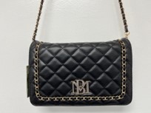 | BM-4185 | BLACK | 781 | $99.00 | CROSSBODY W/BRAIDED CHAIN | 9X6X2.5 | 44" | IMMEDIATE | $26.00 | 40 | $18.67
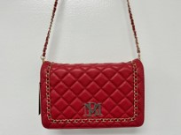 | BM-4185 | RED | 492 | $99.00 | CROSSBODY W/BRAIDED CHAIN | 9X6X2.5 | 44" | IMMEDIATE | $26.00 | 40 | $18.67
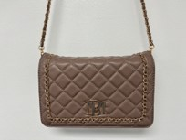 | BM-4185 | TAUPE | 233 | $99.00 | CROSSBODY W/BRAIDED CHAIN | 9X6X2.5 | 44" | IMMEDIATE | $26.00 | 40 | $18.67
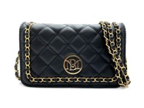 | BM-4187 | BLACK | 982 |  |  |  |  |  | $24.00 | 50 | $15.67
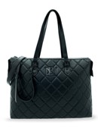 | BMH-103 | BLACK | 840 |  |  |  |  |  | $34.00 | 12 | $24.67
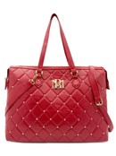 | BMH-103 | BURGUNDY | 767 |  |  |  |  |  | $34.00 | 12 | $24.67
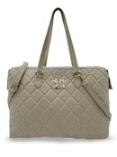 | BMH-103 | TAUPE | 744 |  |  |  |  |  | $34.00 | 12 | $24.67
 | BMH-108 | BLACK | 777 |  |  |  |  |  | $34.00 | 16 | $21.67
 | BMH-108 | BLUSH | 982 |  |  |  |  |  | $34.00 | 16 | $21.67
 | BMH-108 | LIGHT BLUE | 796 |  |  |  |  |  | $34.00 | 16 | $21.67
 | BMH-108 | RED | 552 |  |  |  |  |  | $34.00 | 16 | $21.67
 |  |  | 43374

